Form
 |  | 2023 Leavers Order Form |  |  |  |  |  | Hoodies
 |  |  |  |  |  |  |  | Hoodies
 |  |  |  |  |  |  |  | Colours: Black, Bottle, Heather Grey, Light Pink, Maroon, Navy, Purple, Red, Royal & Turquoise
School Name: | e.g. Angels Grammar School |  |  |  |  |  |  | Sizes: 3-4, 5-6, 7-8, 9-11, 12-13, XS, S, M, L, XL, 2XL, 3XL*
Garment Type: | Hoodies |  |  |  |  |  |  | * Black & Navy only
Design No:
Leavers Print Colour: |  |  |  |  |  |  |  | T-Shirts
 |  |  |  |  |  |  |  | Colours: Black, Bottle, Emerald, Gold, Jade, Maroon, Navy, Purple, Red, Royal, Sky & White
Initials Position: | N/A |  |  | Nickname Position: |  | N/A |  | Sizes: 22 (3/4), 24 (4/5), 26 (5/6), 28 (6/7), 30 (7/8), 32 (9/10), 34 (11/12), 36 (XS), 38 (S), 40 (M), 42 (L), 44 (XL)
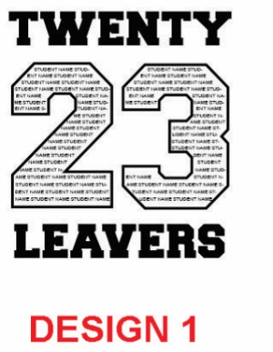
Initials Print Colour: |  |  |  | Nickname Print Colour:
Initials Font: | e.g. Same as leavers |  |  | Nickname Font: |  | e.g. Same as leavers

Order Notes: | e.g. Duplicate names to fill the number or add embroidery

Name Inside '23' |  | Initials | Nickname |  | Colour | Size | Notes
e.g. John Smith |  |  |  |  | Black | 3-4
e.g. Mary Jones |  | e.g. JH | e.g. Jonesie |  | Navy | XS

 |  |  |  |  |  |  |  | PLEASE NOTE:
 |  |  |  |  |  |  |  | • Names, Initials and Nicknames will be printed exactly as typed.
 |  |  |  |  |  |  |  | • Once a visual has been sent to you for your approval, we offer one set of changes free of charge
 |  |  |  |  |  |  |  | but any other changes are charged at £5+VAT per revised visual sent.

